Decisions on MCA, DOLS or BI
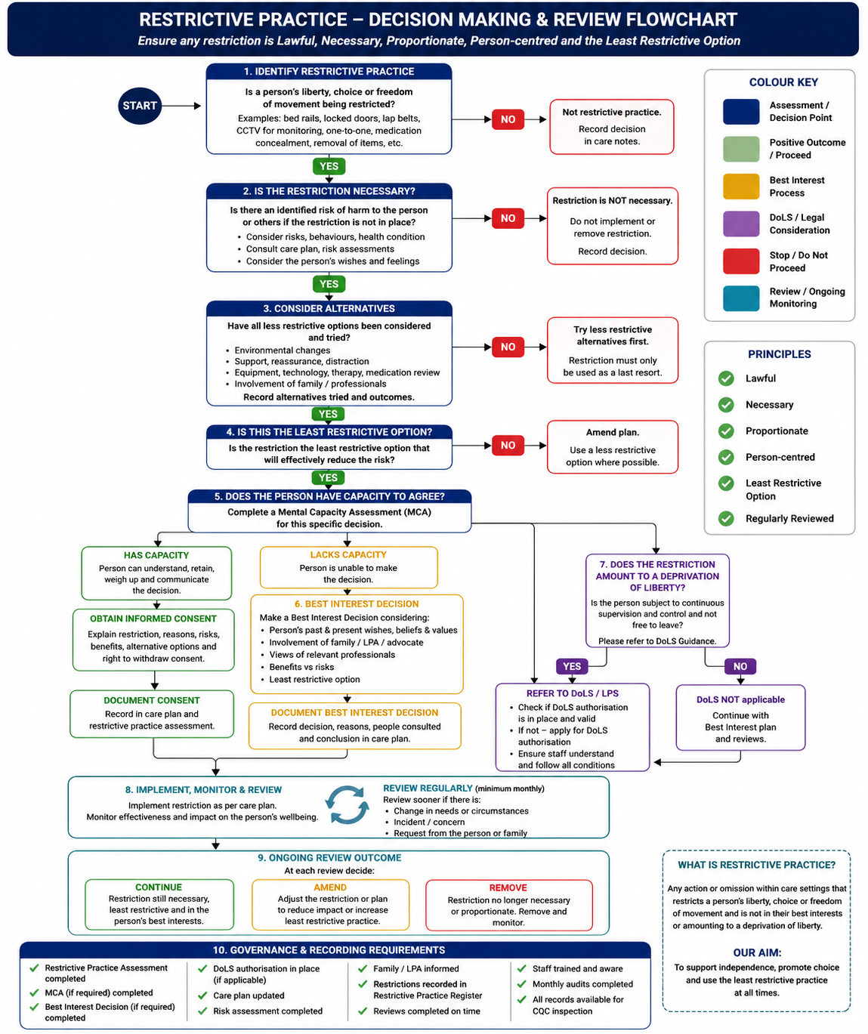
Step | Decision / Action | Outcome / Next Step | Evidence Required | Evidence Required
1 | CCTV operating in communal areas? | If YES → Step 2 | CCTV Policy, DPIA | CCTV Policy
2 | Resident affected by CCTV? | If YES → Step 3 | Care Plan | Resident location/risk review
3 | Complete Mental Capacity Assessment (MCA) for CCTV decision. | Has capacity → Step 4 Lacks capacity → Step 5 | MCA Assessment | Mental Capacity Assessment
4 | Resident HAS capacity. Explain CCTV, GDPR, purpose, access and retention. Seek consent. | Consent given → Record and review. Consent refused → Respect decision unless lawful exception. | Signed Consent Form | CCTV Consent Form
5 | Resident LACKS capacity. | Hold Best Interest Decision meeting. | MCA Outcome | Best Interest Record
6 | Best Interest Decision | Consult family/LPA/Deputy/IMCA, consider wishes, least restrictive option. | Best Interest Record | Care Plan, Risk Assessment
7 | Is resident subject to restrictions amounting to deprivation of liberty? | If YES ensure DoLS/LPS authorisation is in place or requested. | DoLS Authorisation / Application | Audit, DPIA, Access Log
8 | Update Care Plan & Risk Assessment | Record CCTV rationale, privacy measures and review date. | Care Plan & Risk Assessment
9 | Governance | Monthly audit, access log, signage, DPIA review, annual policy review. | Audit & Dashboard

Colour Key
Blue | Assessment/Start
Yellow | Capacity & Consent
Green | Best Interest / DoLS
Red | Implementation & Governance

